Sheet1
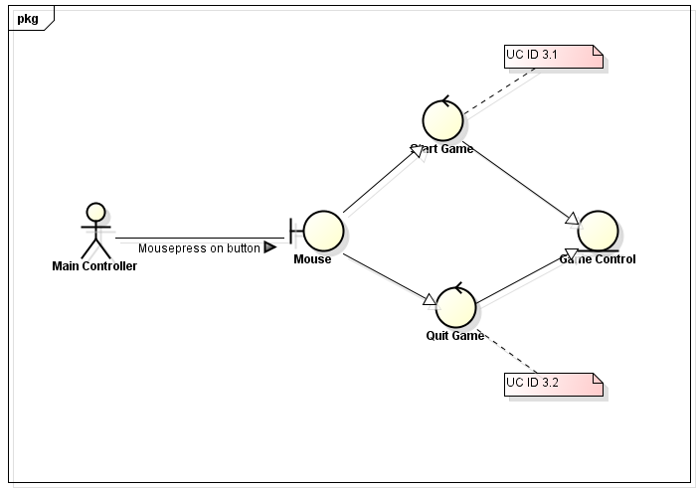
ROBUSTNESS DIAGRAM

Player Control
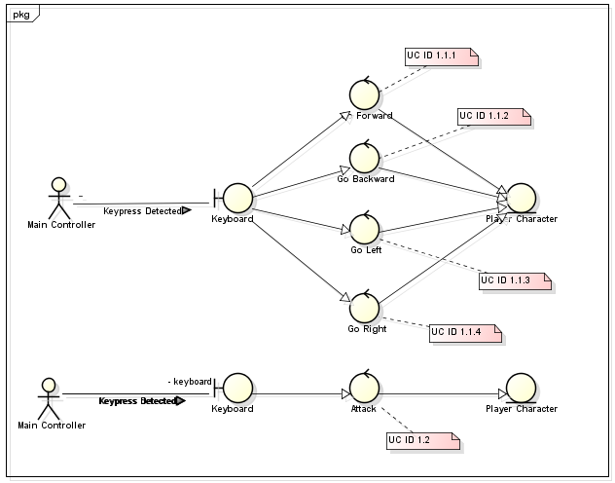

ROBUSTNESS DIAGRAM

AI Control
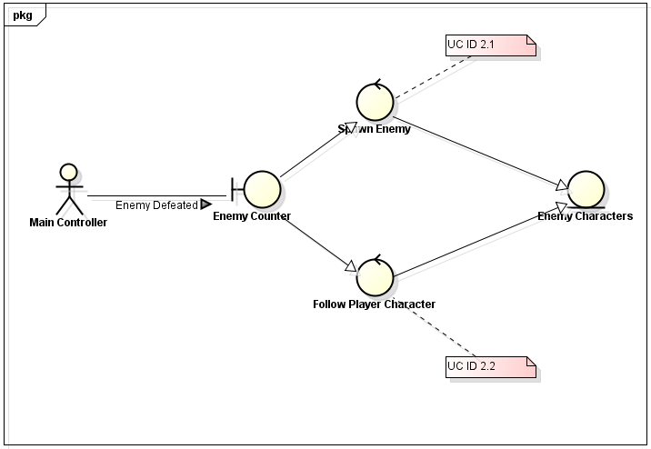

ROBUSTNESS DIAGRAM

Menu Control

